Picture
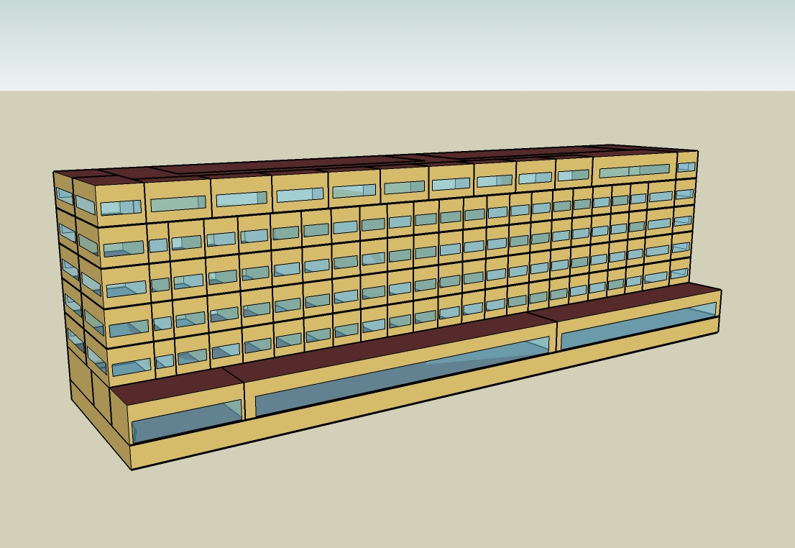
DOE Commercial Building Benchmark - Large Hotel

Electricity
 |  | Electric Utility Rates | Average Annual Rate ($/kWh) | Total Cost ($/m2) | Average Annual Rate ($/MJ) | Total Cost ($/m2) | Heating
Miami |  |  | 0.07296 | 45.60 | 0.01145 | 5.08 | 0.00
Houston |  |  | 0.09877 | 54.04 | 0.00818 | 4.52 | 33.33
Phoenix |  |  | 0.06668 | 35.26 | 0.00856 | 4.22 | 0.00
Atlanta |  |  | 0.09938 | 45.05 | 0.01076 | 7.09 | 141.67
Los Angeles |  |  | 0.04132 | 16.92 | 0.00840 | 5.10 | 0.00
Las Vegas |  |  | 0.08602 | 37.66 | 0.00810 | 4.59 | 0.00
San Francisco |  |  | 0.12275 | 40.28 | 0.00840 | 5.90 | 0.00
Baltimore |  |  | 0.05839 | 23.77 | 0.01008 | 7.67 | 325.00
Albuquerque |  |  | 0.03698 | 12.87 | 0.00719 | 5.26 | 0.00
Seattle |  |  | 0.06665 | 19.90 | 0.00829 | 6.54 | 0.00
Chicago |  |  | 0.09580 | 35.52 | 0.00893 | 7.60 | 394.44
Boulder |  |  | 0.03698 | 11.59 | 0.00720 | 5.97 | 291.67
Minneapolis |  |  | 0.05398 | 19.40 | 0.00798 | 7.46 | 1,025.00
Helena |  |  | 0.06960 | 20.24 | 0.00878 | 8.17 | 805.56
Duluth |  |  | 0.05470 | 16.28 | 0.00799 | 8.42 | 2,125.00
Fairbanks |  |  | 0.09083 | 22.23 | 0.00421 | 5.25 | 11,733.33

Gas
 | Interior Equipment | Heat Rejection | Gas (MJ)
Miami | 542,272.22 | 0.00
Houston | 542,272.22 | 0.00
Phoenix | 542,272.22 | 0.00
Atlanta | 542,272.22 | 0.00
Los Angeles | 542,272.22 | 0.00
Las Vegas | 542,272.22 | 0.00
San Francisco | 542,272.22 | 0.00
Baltimore | 542,272.22 | 0.00
Albuquerque | 542,272.22 | 0.00
Seattle | 542,272.22 | 0.00
Chicago | 542,272.22 | 0.00
Boulder | 542,272.22 | 0.00
Minneapolis | 542,272.22 | 0.00
Helena | 542,272.22 | 0.00
Duluth | 542,272.22 | 0.00
Fairbanks | 542,272.22 | 0.00

EUI
 | Pumps | Heat Rejection | Humidification | Heat Recovery | Refrigeration | Generators | Heating (elec) | Interior Equipment (elec) | Heat Rejection (elec) | Gas (MJ/m2)
Miami | 0.00 | 0.00 | 0.00 | 0.00 | 0.00 | 0.00 | 0.00 | 172.07 | 0.00
Houston | 0.00 | 0.00 | 0.00 | 0.00 | 0.00 | 0.00 | 0.01 | 172.07 | 0.00
Phoenix | 0.00 | 0.00 | 0.00 | 0.00 | 0.00 | 0.00 | 0.00 | 172.07 | 0.00
Atlanta | 0.00 | 0.00 | 0.00 | 0.00 | 0.00 | 0.00 | 0.04 | 172.07 | 0.00
Los Angeles | 0.00 | 0.00 | 0.00 | 0.00 | 0.00 | 0.00 | 0.00 | 172.07 | 0.00
Las Vegas | 0.00 | 0.00 | 0.00 | 0.00 | 0.00 | 0.00 | 0.00 | 172.07 | 0.00
San Francisco | 0.00 | 0.00 | 0.00 | 0.00 | 0.00 | 0.00 | 0.00 | 172.07 | 0.00
Baltimore | 0.00 | 0.00 | 0.00 | 0.00 | 0.00 | 0.00 | 0.10 | 172.07 | 0.00
Albuquerque | 0.00 | 0.00 | 0.00 | 0.00 | 0.00 | 0.00 | 0.00 | 172.07 | 0.00
Seattle | 0.00 | 0.00 | 0.00 | 0.00 | 0.00 | 0.00 | 0.00 | 172.07 | 0.00
Chicago | 0.00 | 0.00 | 0.00 | 0.00 | 0.00 | 0.00 | 0.13 | 172.07 | 0.00
Boulder | 0.00 | 0.00 | 0.00 | 0.00 | 0.00 | 0.00 | 0.09 | 172.07 | 0.00
Minneapolis | 0.00 | 0.00 | 0.00 | 0.00 | 0.00 | 0.00 | 0.33 | 172.07 | 0.00
Helena | 0.00 | 0.00 | 0.00 | 0.00 | 0.00 | 0.00 | 0.26 | 172.07 | 0.00
Duluth | 0.00 | 0.00 | 0.00 | 0.00 | 0.00 | 0.00 | 0.67 | 172.07 | 0.00
Fairbanks | 0.00 | 0.00 | 0.00 | 0.00 | 0.00 | 0.00 | 3.72 | 172.07 | 0.00

Water
 | Aug
Miami | 0.00
Houston | 0.00
Phoenix | 0.00
Atlanta | 0.00
Los Angeles | 0.00
Las Vegas | 0.00
San Francisco | 0.00
Baltimore | 0.00
Albuquerque | 0.00
Seattle | 0.00
Chicago | 0.00
Boulder | 0.00
Minneapolis | 0.00
Helena | 0.00
Duluth | 0.00
Fairbanks | 0.00

Carbon
 | Oct
Miami | 0.00
Houston | 0.00
Phoenix | 0.00
Atlanta | 0.00
Los Angeles | 0.00
Las Vegas | 0.00
San Francisco | 0.00
Baltimore | 0.00
Albuquerque | 0.00
Seattle | 0.00
Chicago | 0.00
Boulder | 0.00
Minneapolis | 0.00
Helena | 0.00
Duluth | 0.00
Fairbanks | 0.00

LghtSch
Lighting Schedules
 | Weekday | Saturday | Sunday
 | 0.2 | 0.2 | 0.3
 | 0.15 | 0.2 | 0.3
 | 0.1 | 0.1 | 0.2
 | 0.1 | 0.1 | 0.2
 | 0.1 | 0.1 | 0.2
 | 0.2 | 0.1 | 0.2
 | 0.4 | 0.3 | 0.3
 | 0.5 | 0.3 | 0.4
 | 0.4 | 0.4 | 0.4
 | 0.4 | 0.4 | 0.3
 | 0.25 | 0.3 | 0.3
 | 0.25 | 0.25 | 0.3
 | 0.25 | 0.25 | 0.3
 | 0.25 | 0.25 | 0.2
 | 0.25 | 0.25 | 0.2
 | 0.25 | 0.25 | 0.2
 | 0.25 | 0.25 | 0.2
 | 0.25 | 0.25 | 0.2
 | 0.6 | 0.6 | 0.5
 | 0.8 | 0.7 | 0.7
 | 0.9 | 0.7 | 0.8
 | 0.8 | 0.7 | 0.6
 | 0.6 | 0.6 | 0.5
 | 0.3 | 0.3 | 0.3

RmLghtSch
Guest Room Lighting Schedules
 | Weekday | Weekend
 | 0.22 | 0.26
 | 0.17 | 0.26
 | 0.11 | 0.11
 | 0.11 | 0.11
 | 0.11 | 0.11
 | 0.22 | 0.11
 | 0.44 | 0.41
 | 0.56 | 0.41
 | 0.44 | 0.56
 | 0.44 | 0.56
 | 0.28 | 0.41
 | 0.28 | 0.33
 | 0.28 | 0.33
 | 0.28 | 0.33
 | 0.28 | 0.33
 | 0.28 | 0.33
 | 0.28 | 0.33
 | 0.28 | 0.33
 | 0.67 | 0.85
 | 0.89 | 1
 | 1 | 1
 | 0.89 | 1
 | 0.67 | 0.85
 | 0.33 | 0.41

EqpSch
Equipment Schedules
 | Weekday | Saturday | Sunday
 | 0.3 | 0.3 | 0.4
 | 0.25 | 0.3 | 0.4
 | 0.2 | 0.2 | 0.3
 | 0.2 | 0.2 | 0.3
 | 0.2 | 0.2 | 0.3
 | 0.3 | 0.2 | 0.3
 | 0.5 | 0.4 | 0.4
 | 0.6 | 0.4 | 0.5
 | 0.5 | 0.5 | 0.5
 | 0.5 | 0.5 | 0.4
 | 0.35 | 0.4 | 0.4
 | 0.35 | 0.35 | 0.4
 | 0.35 | 0.35 | 0.4
 | 0.35 | 0.35 | 0.3
 | 0.35 | 0.35 | 0.3
 | 0.35 | 0.35 | 0.3
 | 0.35 | 0.35 | 0.3
 | 0.35 | 0.35 | 0.3
 | 0.7 | 0.7 | 0.6
 | 0.9 | 0.8 | 0.8
 | 0.95 | 0.8 | 0.9
 | 0.9 | 0.8 | 0.7
 | 0.7 | 0.7 | 0.6
 | 0.4 | 0.4 | 0.4

RmEqpSch
Guest Room Equipment Schedules
 | Weekday | Weekend
 | 0.2 | 0.2
 | 0.2 | 0.2
 | 0.2 | 0.2
 | 0.2 | 0.2
 | 0.2 | 0.2
 | 0.2 | 0.2
 | 0.62 | 0.3
 | 0.9 | 0.62
 | 0.43 | 0.9
 | 0.43 | 0.62
 | 0.26 | 0.29
 | 0.26 | 0.29
 | 0.26 | 0.29
 | 0.26 | 0.29
 | 0.26 | 0.29
 | 0.26 | 0.29
 | 0.26 | 0.29
 | 0.51 | 0.43
 | 0.51 | 0.51
 | 0.49 | 0.49
 | 0.66 | 0.66
 | 0.7 | 0.7
 | 0.35 | 0.35
 | 0.2 | 0.2

OccSch
Occupancy Schedules
 | Weekday | Saturday | Sunday
 | 0.9 | 0.9 | 0.7
 | 0.9 | 0.9 | 0.7
 | 0.9 | 0.9 | 0.7
 | 0.9 | 0.9 | 0.7
 | 0.9 | 0.9 | 0.7
 | 0.9 | 0.9 | 0.7
 | 0.7 | 0.7 | 0.7
 | 0.4 | 0.5 | 0.7
 | 0.4 | 0.5 | 0.5
 | 0.2 | 0.3 | 0.5
 | 0.2 | 0.3 | 0.5
 | 0.2 | 0.3 | 0.3
 | 0.2 | 0.3 | 0.3
 | 0.2 | 0.3 | 0.2
 | 0.2 | 0.3 | 0.2
 | 0.3 | 0.3 | 0.2
 | 0.5 | 0.3 | 0.3
 | 0.5 | 0.5 | 0.4
 | 0.5 | 0.6 | 0.4
 | 0.7 | 0.6 | 0.6
 | 0.7 | 0.6 | 0.6
 | 0.8 | 0.7 | 0.8
 | 0.9 | 0.7 | 0.8
 | 0.9 | 0.7 | 0.8

RmOccSch
Occupancy Schedules
 | Weekday | Weekend
 | 0.65 | 0.65
 | 0.65 | 0.65
 | 0.65 | 0.65
 | 0.65 | 0.65
 | 0.65 | 0.65
 | 0.65 | 0.65
 | 0.5 | 0.5
 | 0.28 | 0.34
 | 0.28 | 0.34
 | 0.13 | 0.2
 | 0.13 | 0.2
 | 0.13 | 0.2
 | 0.13 | 0.2
 | 0.13 | 0.2
 | 0.13 | 0.2
 | 0.2 | 0.2
 | 0.35 | 0.2
 | 0.35 | 0.34
 | 0.35 | 0.35
 | 0.5 | 0.65
 | 0.5 | 0.65
 | 0.58 | 0.5
 | 0.65 | 0.5
 | 0.65 | 0.5

HeatSch
Heating Set Point Schedules
 | 16
 | 16
 | 16
 | 16
 | 16
 | 16
 | 16
 | 21
 | 21
 | 21
 | 21
 | 21
 | 21
 | 21
 | 21
 | 21
 | 21
 | 21
 | 21
 | 21
 | 21
 | 21
 | 21
 | 21

CoolSch
Cooling Set Point Schedules
 | 30
 | 30
 | 30
 | 30
 | 30
 | 30
 | 30
 | 24
 | 24
 | 24
 | 24
 | 24
 | 24
 | 24
 | 24
 | 24
 | 24
 | 24
 | 24
 | 24
 | 24
 | 24
 | 24
 | 24

